sheet
DFM Feedback Report
 |  |  | Level
 |  |  | HOT | Manufacturing or Reliability show stopper
 |  |  | WARM | Large impact on cost, quality or cycle time
 |  |  | COOL | Low impact on cost, quality or cycle time
Project name: Mainboard
Item | Problem Description | Proposed Solution |  | Customer comment | Level | Status
1 | The GML layer is empty, there is no stencil layer | Recommend to add stencil layer. |  | Stencil layer Is added in the new archive. Board outline is in .GM2 file | HOT | Open
2 | Via holes is open, which easliy cause short, and some hole dimention is too big, recommend to adjust to 0.6mm | Recommend to cover via holes by solder masker, and adjust via hole dimention to 0.6mm. |  | There should be solder mask on this hole, according to my PCB file... | WARM | Open
3 | 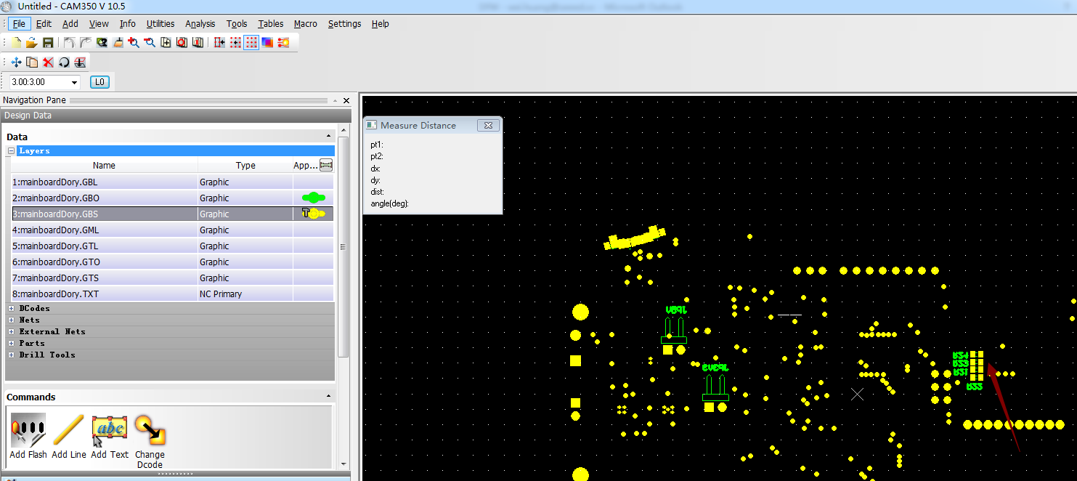 Recommend to place SMD/SMT parts in the same layer to increase efficiency | Recommend to place SMD/SMT parts in the same layer to increase efficiency |  | These SMD parts are not soldered (NP). Should be added as comment in the BOM. All components that have to be placed are on topside of the PCB! | WARM | Open
4 | 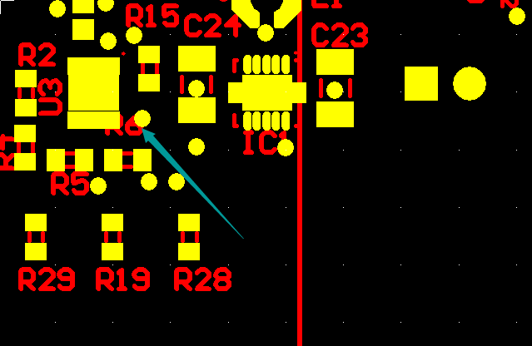 1. Many components have no Outline silkscreen, and need to adjust location and not be covered; 2."1 " mark need to move to outside of component. | 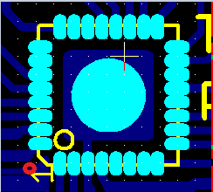  1. Recommand to add outline, it's helpful for production quality control. 2.Recommend to mark "1" out o the component frame, like the red O |  | increased "1" dot and added component outline to U3, U5, U6. Moved designator "R6" | WARM | Open

